SpectraPLUS Instructions
This should normally not be necessary but we have gotten reports of issues reading the calibration
on computers with Asian versions of Windows.

1. Press 'I/O' button on main tool bar

2. Select 333D01 device from 'Input Device' pull down menu.
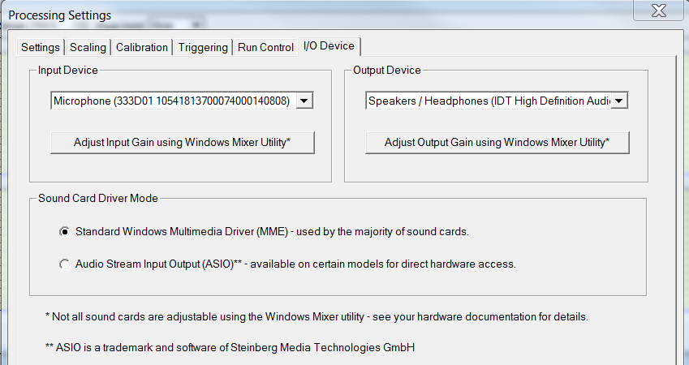

3. Select the calibration tab
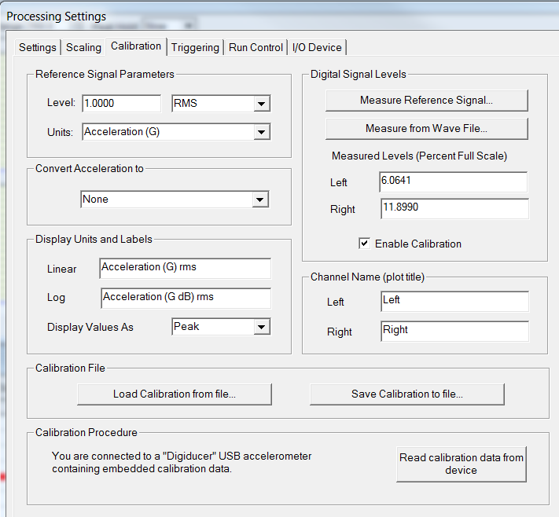

4. Normally, you can just press 'Read calibration data from device'. This will display the sensor serial number and calibration date and set the left and right sensitivity.

If that doesn't work, the sensitivity scaling data can be entered manually
5. Confirm 'Reference Signal Parameters' are Level 1.0000, RMS, and Units are Acceleration (G)
6. Enter Left and Right 'Measured Levels' from the 'Sensitivity' page of this spreadsheet.

SignalScope Pro Instructions
SignalScope Pro Instructions
A Faber Acoustical Application
Note: The base SignalScope does not support g's as basic type

SignalScope Pro version 4.0 or later automatically reads and uses the programmed sensitivity. This procedure is not necessary.

The upgraded Data Acquistion upgrade to SignalScope version 5.0 or later does not need this procedure.

1. Plug in 333D01 using camera adapter. Start SignalScope Pro and press the gears icon in upper right.
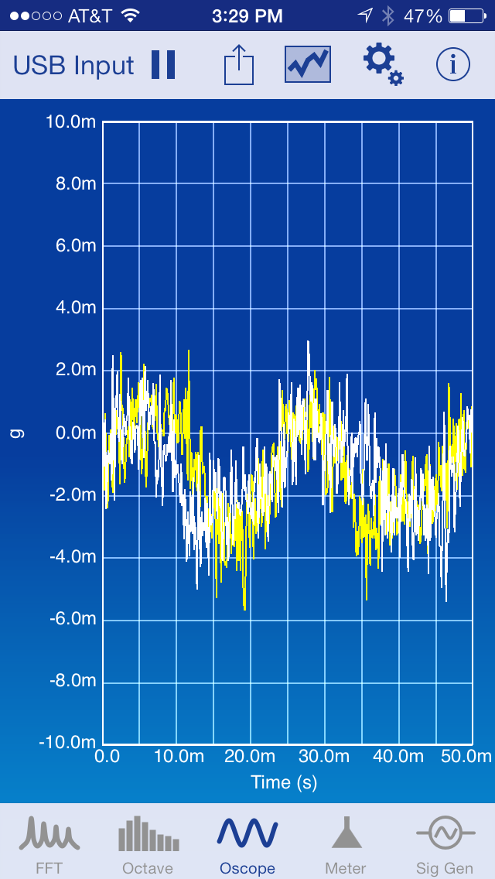

2. Press 'I/O Device Configuration'
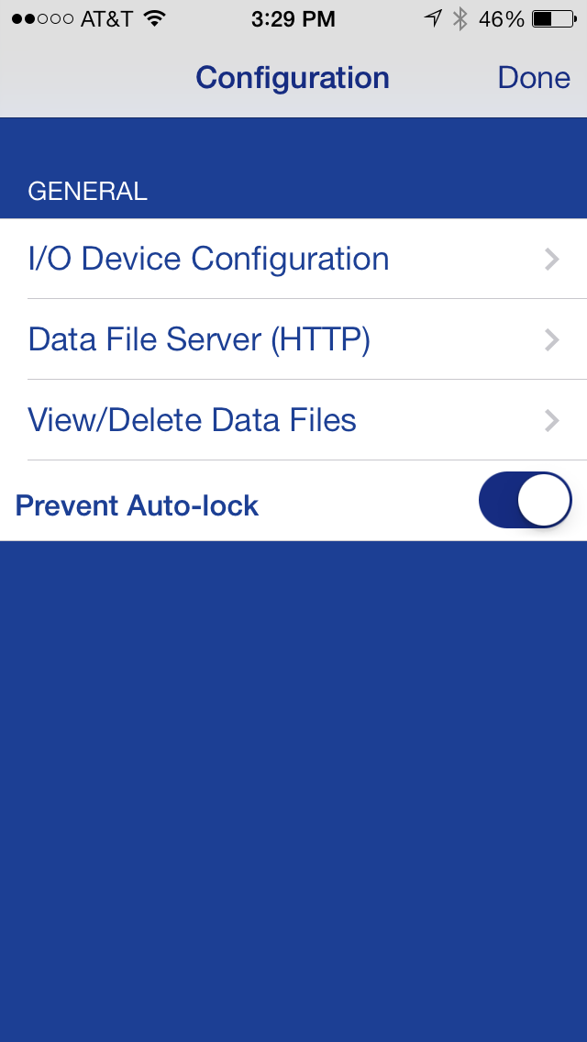

3. Select Device Units of 'FS'. Note: you can set the sample rate here as well. Press 'Input Channels'
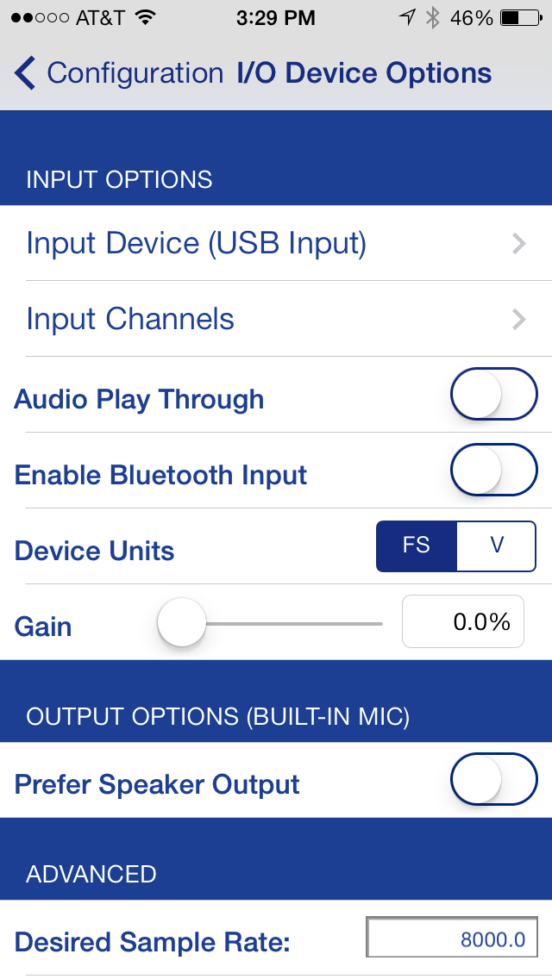

4. In 'ALL CHANNELS', select units of g press CH1 Calibrate
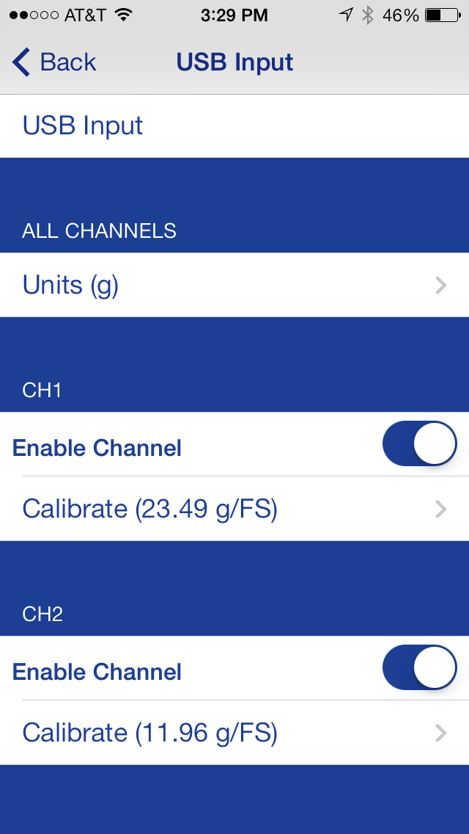

5. Type in number from Sensitivity page for CH1 (Ch A) into Input Sensitivity
Note: dB scale is relative 1 g RMS which is defined in the reference field
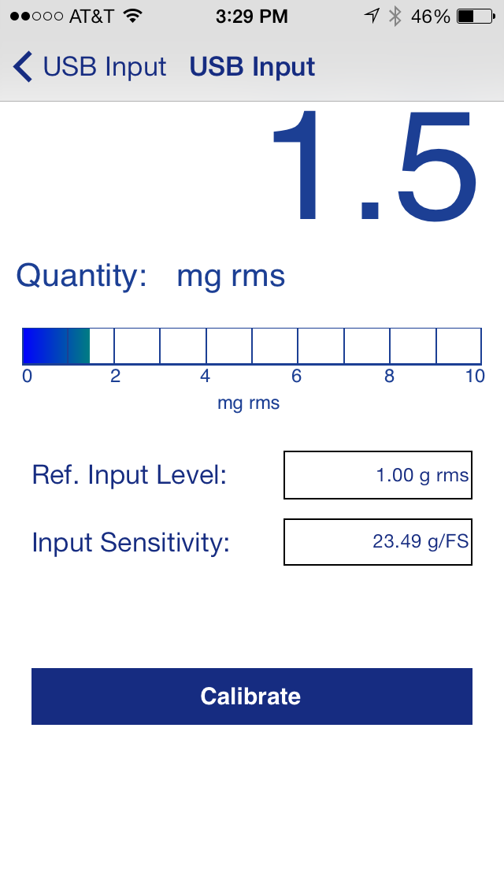

6. Go back to previous screen and select Ch2. Repeat process.

